Old Format (DO NOT USE)
 | Type | Name | Language | Header | Body | Footer | Buttons |  |  |  |  |  | Quick Reply
 |  |  |  |  |  |  | Call Phone# |  |  | Visit Website |  |  | 1 | 2 | 3
 |  |  |  |  |  |  | Button Text | Country | Phone number | Button Text | Static/Dynamic | URL
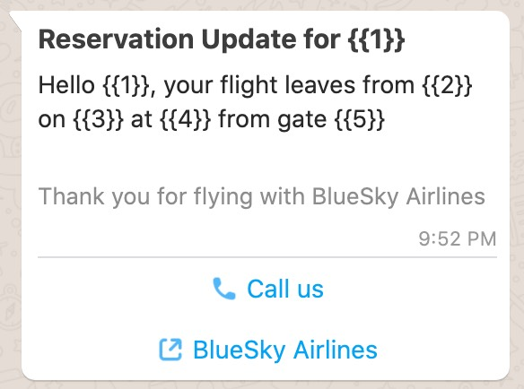
 | mandatory | mandatory | mandatory | optional | mandatory | optional | optional |  |  | optional |  |  | optional | optional | optional
format | Picklist | lowercase letters, numbers, and underscores | text | text, document | text | text | text | country code | phone number | text | static/dynamic | URL | text | text | text
max length | n/a | 150 |  | 60 | 1024 | 60 | 20 | n/a | 20 | 20 |  | 2000+ | 20 | 20 | 20 | Note: Max length AFTER all variables were expanded.
variables | n/a | n/a |  | 1 | unlimited | none | No variables allowed in Phone Numbers |  |  | none | n/a | 1 | No variables allowed in Quick Replies
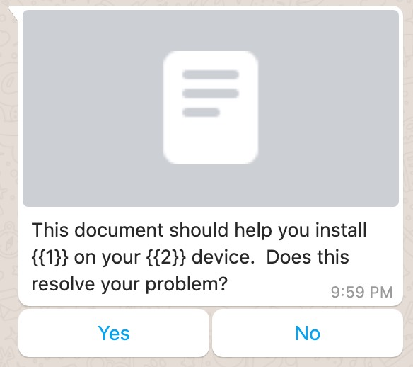
 |  |  |  |  |  |  | A rich messaging notification can either contain buttons or quick replies, but not both |  |  |  |  |  |  |  |  |  | EXAMPLES
Examples | Reservation Update | example_1 | English | Reservation Update for {{1}} | Hello {{1}}, your flight leaves from {{2}} on {{3}} at {{4}} from gate {{5}} | Thank you for flying with BlueSky Airlines | Call Us | +1 | 415.555.1212 | BlueSky Airlines | Dynamic | https://blueskyairlines.com/{{1}} |  |  |  |  | Reservation Update for Mary | Hello Mary, your flight leaves from IAD on Oct 14 at 4:05pm from gate D7.
 | Issue Resolution | example_2 | English | {{1}} | This document should help you install {{1}} on your {{2}} device. Does this resolve your problem? |  |  |  |  |  |  |  | Yes | No |  |  | Attach document with this form | This document should help you install Application A on your iPhone 12 Pro device. Does this resolve your problem?

Enter your message templates here (If your messages contain images/videos/documents in the header, please attach examples on the right) |  |  |  |  |  |  |  |  |  |  |  |  |  |  |  |  | Please attach examples here - WhatsApp will not approve without examples!

Enter your message variable here (WhatsApp will not approve without sample variables)
 | Variable Number | Content Type (name, date, account #, etc) | Sample Value
 | {{1}}
 | {{2}}
 | {{3}}
 | {{4}}
 | {{5}}

 | Account Update |  |  |  |  |  |  |  |  |  | Statuc
 | Alert Update |  |  |  |  |  |  |  |  |  | Dynamic
 | Appointment Update
 | Auto Reply
 | Issue Resolution
 | Payment Update
 | Personal Finance Update
 | Reservation Update
 | Shipping Update
 | Ticket Update
 | Transportation Update

